Questions
Use the data in the Transactions worksheet to answer the questions below |  |  | Question 2:
The data represents the sales transactions for trainings conducted in the fiscal years 2016 |  |  | In the Report worksheet. create a summary showing the total revenue generated per program
and 2017 for Ruku Analytics Ltd. |  |  | for each of the two years and present the same in a chart similar to the one shown below
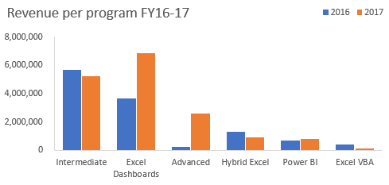
Question 1:
Use a function/formula to populate the following columns:
 | a) | Unit Price -this is based on the price matrix per program given on the Transactions worksheet
 | b) | Sales Amount
 | c) | Year & Month columns based on the transaction date
 | d) | Customer Loading column. This should combine the client code and the client name as shown
 |  | in the image below
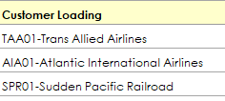

 |  |  | Question 3:
 |  |  | From the chart created in question 2, the share of Power BI is marginal.
 |  |  | The products manager of DC Analytics Ltd feels if efforts are enhanced this program has the
 |  |  | potential to be a main revenue earner.
 |  |  | Please advise the manager on some of the strategies he can implement to achieve this goal. Type your thoughts below
 |  |  | increase the frequencies of the participants so that therecan be more people generating sales. They an also try to reducethe unit price of the product so that many people can be able to buy the commodity, having a consistent market strategy in the business would also help to improve the sales.

report
Revenue per program FY16-17
Sum of Sales Amount | Column Labels
Row Labels | 2016 | 2017 | Grand Total | Percentage | Percentage Change
Advanced | 264600 | 2623950 | 2888550 | 10.10% | 81.68%
Excel Dashboards | 3657445 | 6849397 | 10506842 | 36.75% | 30.38%
Excel VBA | 435200 | 163200 | 598400 | 2.09% | -45.45%
Hybrid Excel | 1315560 | 900120 | 2215680 | 7.75% | -18.75%
Intermediate | 5668540 | 5218060 | 10886600 | 38.08% | -4.14%
Power BI | 677990 | 813588 | 1491578 | 5.22% | 9.09%
Grand Total | 12019335 | 16568315 | 28587650 | 100.00% | 15.91%

